正常終了_Normal
No.20

 | 前提条件 /Prerequisite

 | SELECT * FROM J_EDI_SND_DB_PAY a
 | WHERE a.DATA_KOKAN_ID = '000086'
 | AND a.EDI_KINO_CATEGORY_CD = 'A140'
 | AND a.EDI_SND_JOKYO_SBT = '1'
 | AND a.EDI_KONKAI_PAY_GAKU <> 0
 | ORDER BY SND_SEQ_NO
 | SND_SEQ_NO | DATA_KOKAN_ID | EDI_KINO_CATEGORY_CD | SUP_CD | HAN_KBN | KISAN_D | KINSHU | HONSHITEN_CD | SHIMEKIRI_YMD | MANKI_D | BANK_CD | SHITEN_CD | BANK_NMK | SHITEN_NMK | FURIKOMI_KOZA_SBT | FURIKOMI_KOZA_NO | EDI_KONKAI_PAY_GAKU | PAY_YMD | EDI_SND_JOKYO_SBT | SND_DT | SND_DATA_DEL_KBN | RCV_SEQ_NO | FUNC_UKETSUKE_NO | DEL_KBN | CREATE_DT | CREATE_USR | CREATE_FUNC | NEW_UPDATE_DT | NEW_UPDATE_USR | NEW_UPDATE_FUNC | UPDATE_CNT
 | S603132236 | 000086 | A140 | 0000860001 |  |  |  | 3 |  |  | 0005 | 001 | ﾐﾂﾋﾞｼﾕ-ｴﾌｼﾞｴｲ | ﾎﾝﾃﾝ | 1 | 2288776 | 116160 | 20250731 | 1 |  | 0 | SA10918929 | 631843 | 0 | 2025/06/11 21:21:41 | 99999 | SCBN050PGM010 | 2025/10/27 11:11:12 | EDI | m_CMN_支払_データ抽出_010 | 2
 | S603132237 | 000086 | A140 | 0000860001 |  |  |  | 3 |  |  | 0005 | 001 | ﾐﾂﾋﾞｼﾕ-ｴﾌｼﾞｴｲ | ﾎﾝﾃﾝ | 1 | 2288776 | 381700 | 20250731 | 1 |  | 0 | SA10918930 | 631843 | 0 | 2025/06/11 21:21:41 | 99999 | SCBN050PGM010 | 2025/10/27 11:11:12 | EDI | m_CMN_支払_データ抽出_010 | 2
 | S603132238 | 000086 | A140 | 0000860001 |  |  |  | 3 |  |  | 0005 | 001 | ﾐﾂﾋﾞｼﾕ-ｴﾌｼﾞｴｲ | ﾎﾝﾃﾝ | 1 | 2288776 | 293150 | 20250731 | 1 |  | 0 | SA10918931 | 631843 | 0 | 2025/06/11 21:21:41 | 99999 | SCBN050PGM010 | 2025/10/27 11:11:12 | EDI | m_CMN_支払_データ抽出_010 | 2
 | S603132239 | 000086 | A140 | 0000860001 |  |  |  | 3 |  |  | 0005 | 001 | ﾐﾂﾋﾞｼﾕ-ｴﾌｼﾞｴｲ | ﾎﾝﾃﾝ | 1 | 2288776 | 451000 | 20250731 | 1 |  | 0 | SA10918932 | 631843 | 0 | 2025/06/11 21:21:41 | 99999 | SCBN050PGM010 | 2025/10/27 11:11:12 | EDI | m_CMN_支払_データ抽出_010 | 2
 | S603132240 | 000086 | A140 | 0000860001 |  |  |  | 3 |  |  | 0005 | 001 | ﾐﾂﾋﾞｼﾕ-ｴﾌｼﾞｴｲ | ﾎﾝﾃﾝ | 1 | 2288776 | 440000 | 20250731 | 1 |  | 0 | SA10918933 | 631843 | 0 | 2025/06/11 21:21:41 | 99999 | SCBN050PGM010 | 2025/10/27 11:11:12 | EDI | m_CMN_支払_データ抽出_010 | 2
 | S603132241 | 000086 | A140 | 0000860001 |  |  |  | 3 |  |  | 0005 | 001 | ﾐﾂﾋﾞｼﾕ-ｴﾌｼﾞｴｲ | ﾎﾝﾃﾝ | 1 | 2288776 | 115500 | 20250731 | 1 |  | 0 | SA10918934 | 631843 | 0 | 2025/06/11 21:21:41 | 99999 | SCBN050PGM010 | 2025/10/27 11:11:12 | EDI | m_CMN_支払_データ抽出_010 | 2

 | 実施 /Implementation

 | ジョブネット正常終了 /Job net completed normally
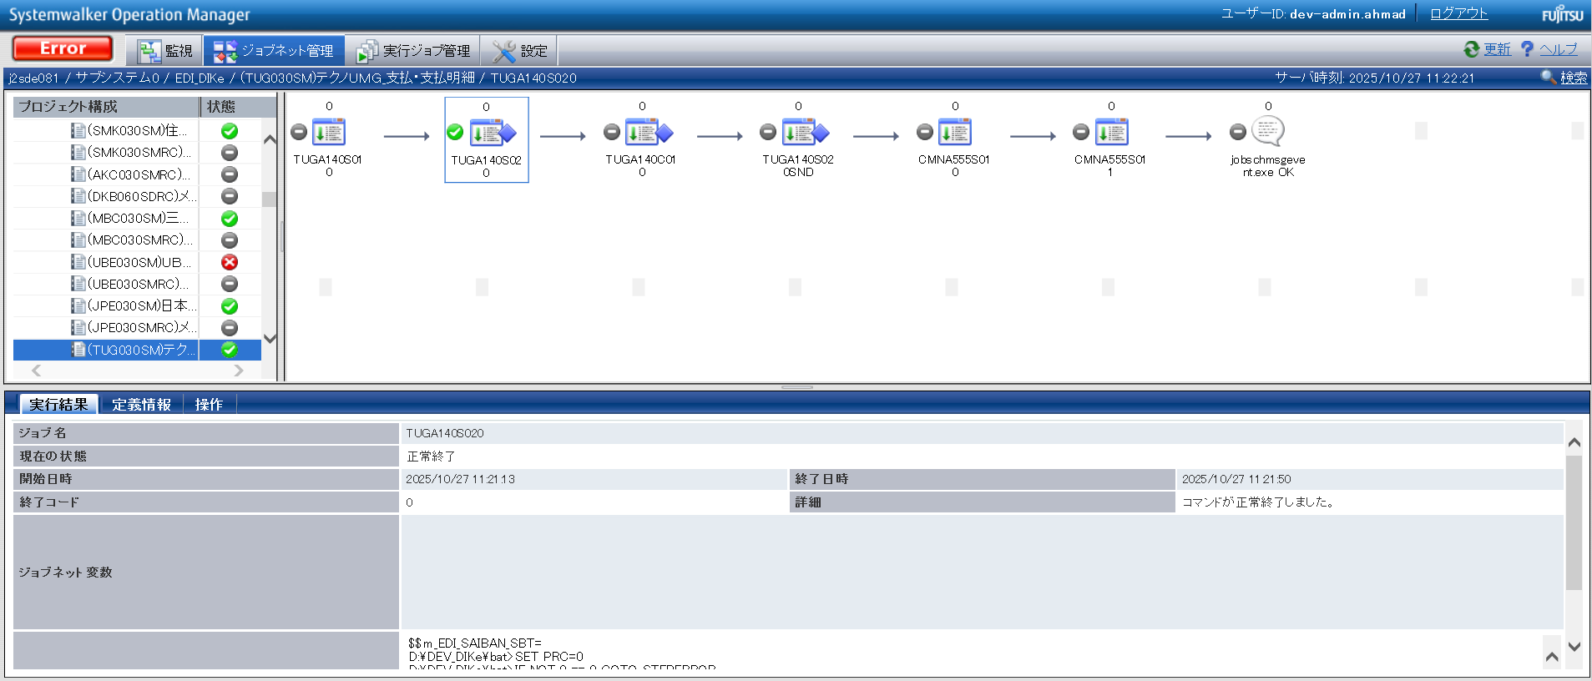

確認観点 ① /Confirmation viewpoint ①
/Systemwalker終了コード"0"で終了を確認。
/Confirmed termination with Systemwalker exit code "0".

No.5
No.6
No.7
No.8
No.9

 | 前提条件 /Prerequisite

 | 特になし。
 | /N/A

 | 実施 /Implementation

 | 送信ファイルが出力されていること。 |  |  | ・TUGA1401

No.8 OK

 | p_t_TUG_支払_支払明細_020.param

確認観点 /Confirmation viewpoint
指定したパスに生成される「p_t_TUG_支払_支払明細_020.param」のパス。
/Path of "p_t_TUG_支払_支払明細_020.param"generated at specified path.

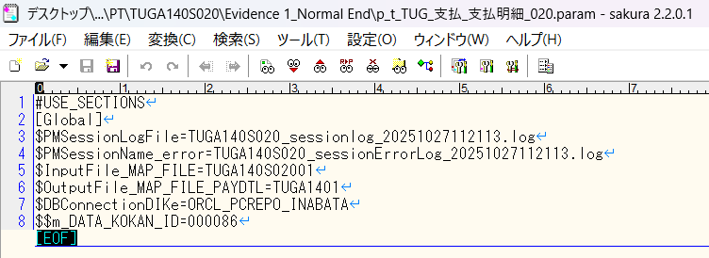

確認観点 /Confirmation viewpoint
/詳細が正しいことを確認しました。
/Confirmed the details are correct.

No.05 OK
No.06 OK
No.07 OK
No.09 OK

No.13

 | 前提条件 /Prerequisite

 | [No.13_データ入力]シートを参照

 | 実施 /Implementation

 | SELECT *
 | FROM v$locked_object lo
 | JOIN dba_objects ao ON lo.object_id = ao.object_id
 | JOIN v$session s ON lo.session_id = s.sid;
 | XIDUSN | XIDSLOT | XIDSQN | OBJECT_ID | SESSION_ID | ORACLE_USERNAME | OS_USER_NAME | PROCESS | LOCKED_MODE | CON_ID | OWNER | OBJECT_NAME | SUBOBJECT_NAME | OBJECT_ID_1 | DATA_OBJECT_ID | OBJECT_TYPE | CREATED | LAST_DDL_TIME | TIMESTAMP | STATUS | TEMPORARY | GENERATED | SECONDARY | NAMESPACE | EDITION_NAME | SHARING | EDITIONABLE | ORACLE_MAINTAINED | APPLICATION | DEFAULT_COLLATION | DUPLICATED | SHARDED | CREATED_APPID | CREATED_VSNID | MODIFIED_APPID | MODIFIED_VSNID | SADDR | SID | SERIAL# | AUDSID | PADDR | USER# | USERNAME | COMMAND | OWNERID | TADDR | LOCKWAIT | STATUS_1 | SERVER | SCHEMA# | SCHEMANAME | OSUSER | PROCESS_1 | MACHINE | PORT | TERMINAL | PROGRAM | TYPE | SQL_ADDRESS | SQL_HASH_VALUE | SQL_ID | SQL_CHILD_NUMBER | SQL_EXEC_START | SQL_EXEC_ID | PREV_SQL_ADDR | PREV_HASH_VALUE | PREV_SQL_ID | PREV_CHILD_NUMBER | PREV_EXEC_START | PREV_EXEC_ID | PLSQL_ENTRY_OBJECT_ID | PLSQL_ENTRY_SUBPROGRAM_ID | PLSQL_OBJECT_ID | PLSQL_SUBPROGRAM_ID | MODULE | MODULE_HASH | ACTION | ACTION_HASH | CLIENT_INFO | FIXED_TABLE_SEQUENCE | ROW_WAIT_OBJ# | ROW_WAIT_FILE# | ROW_WAIT_BLOCK# | ROW_WAIT_ROW# | TOP_LEVEL_CALL# | LOGON_TIME | LAST_CALL_ET | PDML_ENABLED | FAILOVER_TYPE | FAILOVER_METHOD | FAILED_OVER | RESOURCE_CONSUMER_GROUP | PDML_STATUS | PDDL_STATUS | PQ_STATUS | CURRENT_QUEUE_DURATION | CLIENT_IDENTIFIER | BLOCKING_SESSION_STATUS | BLOCKING_INSTANCE | BLOCKING_SESSION | FINAL_BLOCKING_SESSION_STATUS | FINAL_BLOCKING_INSTANCE | FINAL_BLOCKING_SESSION | SEQ# | EVENT# | EVENT | P1TEXT | P1 | P1RAW | P2TEXT | P2 | P2RAW | P3TEXT | P3 | P3RAW | WAIT_CLASS_ID | WAIT_CLASS# | WAIT_CLASS | WAIT_TIME | SECONDS_IN_WAIT | STATE | WAIT_TIME_MICRO | TIME_REMAINING_MICRO | TIME_SINCE_LAST_WAIT_MICRO | SERVICE_NAME | SQL_TRACE | SQL_TRACE_WAITS | SQL_TRACE_BINDS | SQL_TRACE_PLAN_STATS | SESSION_EDITION_ID | CREATOR_ADDR | CREATOR_SERIAL# | ECID | SQL_TRANSLATION_PROFILE_ID | PGA_TUNABLE_MEM | SHARD_DDL_STATUS | CON_ID_1 | EXTERNAL_NAME | PLSQL_DEBUGGER_CONNECTED
 | 6 | 2 | 1850986 | 278713 | 45 | DEV3ITUSER | UNKNOWN_USER | 9040:8412 | 3 | 0 | DEV3ITUSER | J_EDI_SND_DB_PAY |  | 278713 | 278713 | TABLE | 8/21/19 | 8/22/19 | 2019-08-21:21:11:59 | VALID | N | N | N | 1 |  | NONE |  | N | N | USING_NLS_COMP | N | N |  |  |  |  | 00007FFA8294C548 | 45 | 21775 | 828524273 | 00007FFA8231A098 | 180 | DEV3ITUSER | 0 | 2147483644 | 00007FFA7B650980 |  | INACTIVE | DEDICATED | 180 | DEV3ITUSER | UNKNOWN_USER | 9040:8412 | adev\j2sde081 | 64282 | j2sde081 | ORACLE.EXE (SHAD) | USER | 00 | 0 |  |  |  |  | 00007FFA74F96930 | 1765705966 | 1t99j1pnmx27f | 0 | 10/27/25 | 16778166 |  |  |  |  | ORACLE.EXE (SHAD) | 2745123229 |  | 0 |  | 42121799 | -1 | 0 | 0 | 0 | 94 | 10/27/25 | 0 | NO | NONE | NONE | NO | OTHER_GROUPS | DISABLED | DISABLED | DISABLED | 0 |  | NO HOLDER |  |  | UNKNOWN |  |  | 176 | 418 | SQL*Net message from client | driver id | 675562835 | 0000000028444553 | #bytes | 1 | 0000000000000001 |  | 0 | 00 | 2723168908 | 6 | Idle | 0 | 0 | WAITING | 0 | -1 | 0 | j2sde034.adev.local | DISABLED | FALSE | FALSE | FIRST EXEC | 133 | 00007FFA8231A098 | 190 |  | 0 | 0 | DISABLED | 0 |  | FALSE
No.13 OK

No.14
No.15
No.16

 | 前提条件 /Prerequisite

 | 特になし。
 | /N/A

 | 実施 /Implementation

 | バッチログが出力されている
 | /Batch log is output

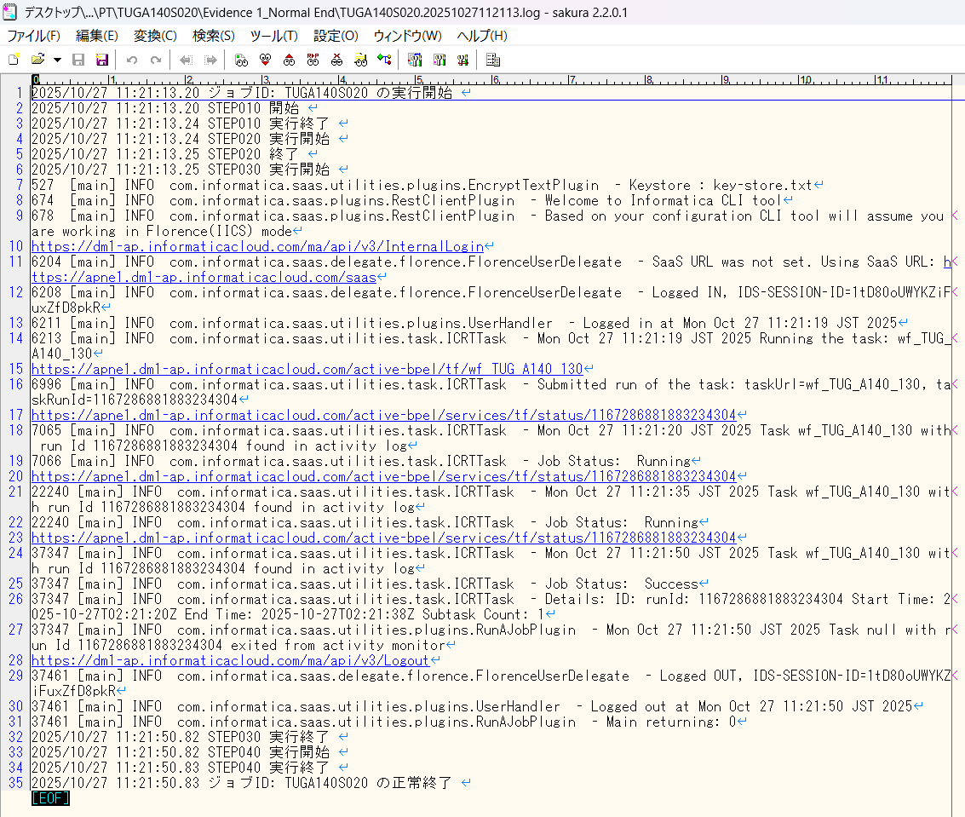

確認観点 /Confirmation viewpoint
以下の情報が出力されている
・開始メッセージ
・ステップメッセージ
・終了メッセージ
/The following information is output
・Start message
・Step message
・Completion message

 | セッションログが出力されている/Session log is output
 | セッションインポートログが出力されている/Session import log is output

No.14 OK
No.15 OK
No.16 OK

No.30
No.34

 | 前提条件 /Prerequisite

 | 特になし。 | /N/A

 | 実施 /Implementation

 | ・連携ファイルのテスト条件(TUGA140S02001)※1の件数 = 送信ファイル(TUGA1401)の出力件数 であること
 | /・The number of test conditions for the linked file(TUGA140S02001) *1 = the number of output items in the sent file (TUGA1401)
 | TUGA140S02001

 | TUGA1401

No.30 OK
No.34 OK

No.42
No.44
No.45

 | 前提条件 /Prerequisite

 | 特になし。 | /N/A

 | 実施 /Implementation

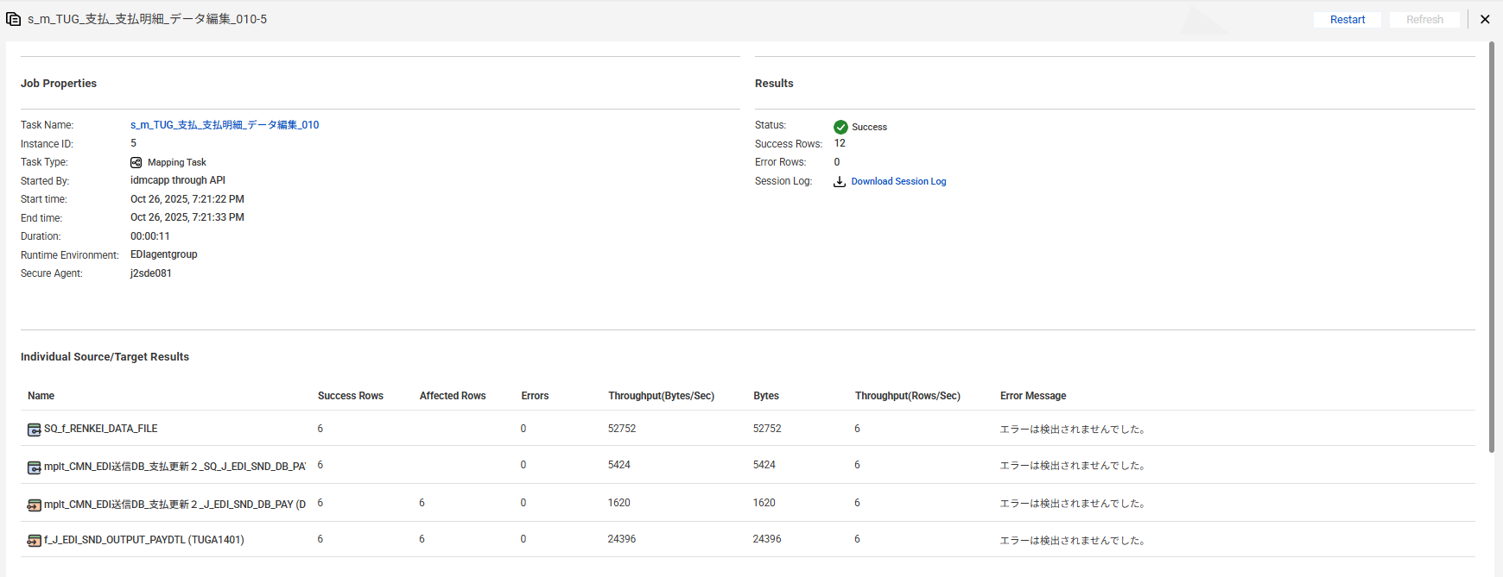

No.42 OK

 | EDI送信DB_支払を取得
 | 【実行前】
 | SELECT * FROM J_EDI_SND_DB_PAY a
 | WHERE a.DATA_KOKAN_ID = '000086'
 | AND a.EDI_KINO_CATEGORY_CD = 'A140'
 | AND a.EDI_SND_JOKYO_SBT = '1'
 | ORDER BY SND_SEQ_NO
 | SND_SEQ_NO | DATA_KOKAN_ID | EDI_KINO_CATEGORY_CD | SUP_CD | HAN_KBN | KISAN_D | KINSHU | HONSHITEN_CD | SHIMEKIRI_YMD | MANKI_D | BANK_CD | SHITEN_CD | BANK_NMK | SHITEN_NMK | FURIKOMI_KOZA_SBT | FURIKOMI_KOZA_NO | EDI_KONKAI_PAY_GAKU | PAY_YMD | EDI_SND_JOKYO_SBT | SND_DT | SND_DATA_DEL_KBN | RCV_SEQ_NO | FUNC_UKETSUKE_NO | DEL_KBN | CREATE_DT | CREATE_USR | CREATE_FUNC | NEW_UPDATE_DT | NEW_UPDATE_USR | NEW_UPDATE_FUNC | UPDATE_CNT
 | S603132236 | 000086 | A140 | 0000860001 |  |  |  | 3 |  |  | 0005 | 001 | ﾐﾂﾋﾞｼﾕ-ｴﾌｼﾞｴｲ | ﾎﾝﾃﾝ | 1 | 2288776 | 116160 | 20250731 | 1 |  | 0 | SA10918929 | 631843 | 0 | 2025/06/11 21:21:41 | 99999 | SCBN050PGM010 | 2025/10/27 11:11:12 | EDI | m_CMN_支払_データ抽出_010 | 2
 | S603132237 | 000086 | A140 | 0000860001 |  |  |  | 3 |  |  | 0005 | 001 | ﾐﾂﾋﾞｼﾕ-ｴﾌｼﾞｴｲ | ﾎﾝﾃﾝ | 1 | 2288776 | 381700 | 20250731 | 1 |  | 0 | SA10918930 | 631843 | 0 | 2025/06/11 21:21:41 | 99999 | SCBN050PGM010 | 2025/10/27 11:11:12 | EDI | m_CMN_支払_データ抽出_010 | 2
 | S603132238 | 000086 | A140 | 0000860001 |  |  |  | 3 |  |  | 0005 | 001 | ﾐﾂﾋﾞｼﾕ-ｴﾌｼﾞｴｲ | ﾎﾝﾃﾝ | 1 | 2288776 | 293150 | 20250731 | 1 |  | 0 | SA10918931 | 631843 | 0 | 2025/06/11 21:21:41 | 99999 | SCBN050PGM010 | 2025/10/27 11:11:12 | EDI | m_CMN_支払_データ抽出_010 | 2
 | S603132239 | 000086 | A140 | 0000860001 |  |  |  | 3 |  |  | 0005 | 001 | ﾐﾂﾋﾞｼﾕ-ｴﾌｼﾞｴｲ | ﾎﾝﾃﾝ | 1 | 2288776 | 451000 | 20250731 | 1 |  | 0 | SA10918932 | 631843 | 0 | 2025/06/11 21:21:41 | 99999 | SCBN050PGM010 | 2025/10/27 11:11:12 | EDI | m_CMN_支払_データ抽出_010 | 2
 | S603132240 | 000086 | A140 | 0000860001 |  |  |  | 3 |  |  | 0005 | 001 | ﾐﾂﾋﾞｼﾕ-ｴﾌｼﾞｴｲ | ﾎﾝﾃﾝ | 1 | 2288776 | 440000 | 20250731 | 1 |  | 0 | SA10918933 | 631843 | 0 | 2025/06/11 21:21:41 | 99999 | SCBN050PGM010 | 2025/10/27 11:11:12 | EDI | m_CMN_支払_データ抽出_010 | 2
 | S603132241 | 000086 | A140 | 0000860001 |  |  |  | 3 |  |  | 0005 | 001 | ﾐﾂﾋﾞｼﾕ-ｴﾌｼﾞｴｲ | ﾎﾝﾃﾝ | 1 | 2288776 | 115500 | 20250731 | 1 |  | 0 | SA10918934 | 631843 | 0 | 2025/06/11 21:21:41 | 99999 | SCBN050PGM010 | 2025/10/27 11:11:12 | EDI | m_CMN_支払_データ抽出_010 | 2

 | 【実行後】
 | SELECT * FROM J_EDI_SND_DB_PAY a
 | WHERE a.DATA_KOKAN_ID = '000086'
 | AND a.EDI_KINO_CATEGORY_CD = 'A140'
 | AND a.EDI_SND_JOKYO_SBT = '3'
 | ORDER BY SND_SEQ_NO
 | SND_SEQ_NO | DATA_KOKAN_ID | EDI_KINO_CATEGORY_CD | SUP_CD | HAN_KBN | KISAN_D | KINSHU | HONSHITEN_CD | SHIMEKIRI_YMD | MANKI_D | BANK_CD | SHITEN_CD | BANK_NMK | SHITEN_NMK | FURIKOMI_KOZA_SBT | FURIKOMI_KOZA_NO | EDI_KONKAI_PAY_GAKU | PAY_YMD | EDI_SND_JOKYO_SBT | SND_DT | SND_DATA_DEL_KBN | RCV_SEQ_NO | FUNC_UKETSUKE_NO | DEL_KBN | CREATE_DT | CREATE_USR | CREATE_FUNC | NEW_UPDATE_DT | NEW_UPDATE_USR | NEW_UPDATE_FUNC | UPDATE_CNT
 | S603132236 | 000086 | A140 | 0000860001 |  |  |  | 3 |  |  | 0005 | 001 | ﾐﾂﾋﾞｼﾕ-ｴﾌｼﾞｴｲ | ﾎﾝﾃﾝ | 1 | 2288776 | 116160 | 20250731 | 3 |  | 0 | SA10918929 | 631859 | 0 | 2025/06/11 21:21:41 | 99999 | SCBN050PGM010 | 2025/10/27 11:21:30 | EDI | m_TUG_支払_支払明細_データ編集_010 | 3
 | S603132237 | 000086 | A140 | 0000860001 |  |  |  | 3 |  |  | 0005 | 001 | ﾐﾂﾋﾞｼﾕ-ｴﾌｼﾞｴｲ | ﾎﾝﾃﾝ | 1 | 2288776 | 381700 | 20250731 | 3 |  | 0 | SA10918930 | 631859 | 0 | 2025/06/11 21:21:41 | 99999 | SCBN050PGM010 | 2025/10/27 11:21:30 | EDI | m_TUG_支払_支払明細_データ編集_010 | 3
 | S603132238 | 000086 | A140 | 0000860001 |  |  |  | 3 |  |  | 0005 | 001 | ﾐﾂﾋﾞｼﾕ-ｴﾌｼﾞｴｲ | ﾎﾝﾃﾝ | 1 | 2288776 | 293150 | 20250731 | 3 |  | 0 | SA10918931 | 631859 | 0 | 2025/06/11 21:21:41 | 99999 | SCBN050PGM010 | 2025/10/27 11:21:30 | EDI | m_TUG_支払_支払明細_データ編集_010 | 3
 | S603132239 | 000086 | A140 | 0000860001 |  |  |  | 3 |  |  | 0005 | 001 | ﾐﾂﾋﾞｼﾕ-ｴﾌｼﾞｴｲ | ﾎﾝﾃﾝ | 1 | 2288776 | 451000 | 20250731 | 3 |  | 0 | SA10918932 | 631859 | 0 | 2025/06/11 21:21:41 | 99999 | SCBN050PGM010 | 2025/10/27 11:21:30 | EDI | m_TUG_支払_支払明細_データ編集_010 | 3
 | S603132240 | 000086 | A140 | 0000860001 |  |  |  | 3 |  |  | 0005 | 001 | ﾐﾂﾋﾞｼﾕ-ｴﾌｼﾞｴｲ | ﾎﾝﾃﾝ | 1 | 2288776 | 440000 | 20250731 | 3 |  | 0 | SA10918933 | 631859 | 0 | 2025/06/11 21:21:41 | 99999 | SCBN050PGM010 | 2025/10/27 11:21:30 | EDI | m_TUG_支払_支払明細_データ編集_010 | 3
No.44 OK | S603132241 | 000086 | A140 | 0000860001 |  |  |  | 3 |  |  | 0005 | 001 | ﾐﾂﾋﾞｼﾕ-ｴﾌｼﾞｴｲ | ﾎﾝﾃﾝ | 1 | 2288776 | 115500 | 20250731 | 3 |  | 0 | SA10918934 | 631859 | 0 | 2025/06/11 21:21:41 | 99999 | SCBN050PGM010 | 2025/10/27 11:21:30 | EDI | m_TUG_支払_支払明細_データ編集_010 | 3
No.45 OK

No.35
No.36
No.41

 | 前提条件 /Prerequisite

 | 特になし。
 | /N/A

 | 実施 /Implementation

No.35 OK | TUG_支払明細_送信ファイル出力確認.xlsx参照
No.36 OK
No.41 OK

No.54
No.56

 | 前提条件 /Prerequisite

 | 特になし。
 | /N/A

 | 実施 /Implementation

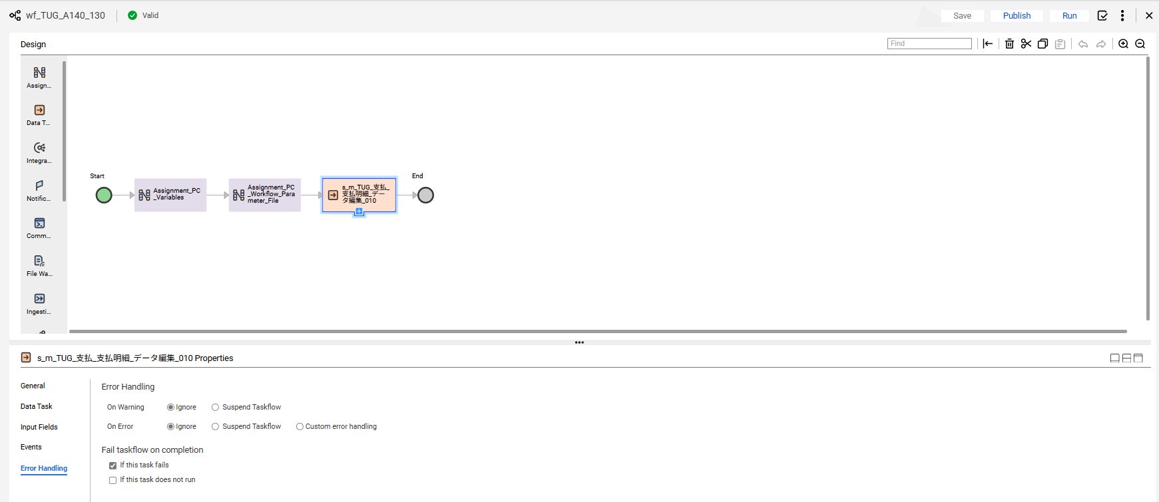

No.54 OK

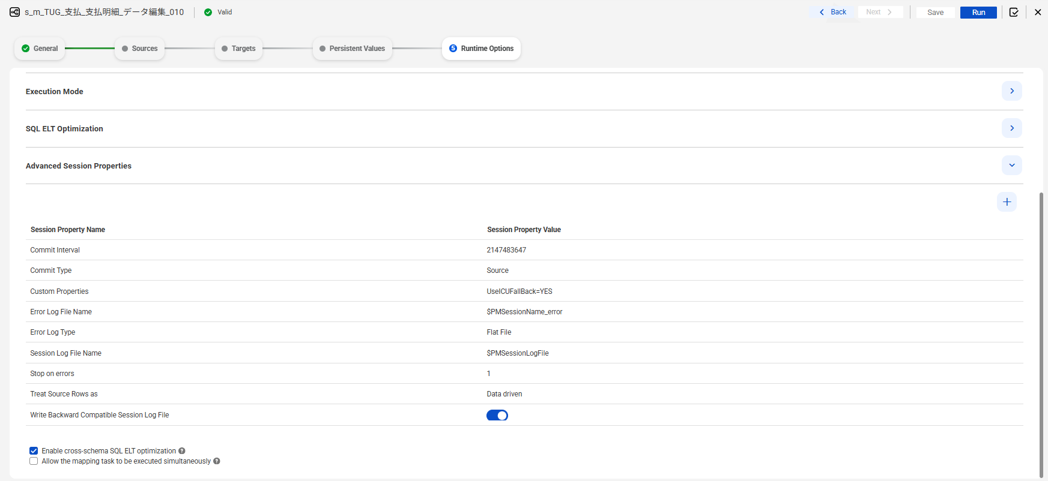

No.56 OK

END

異常終了_Abnormal
No.22

 | 前提条件 /Prerequisite

 | SELECT * FROM J_EDI_SND_DB_PAY a
 | WHERE a.DATA_KOKAN_ID = '000086'
 | AND a.EDI_KINO_CATEGORY_CD = 'A140'
 | AND a.EDI_SND_JOKYO_SBT = '1'
 | ORDER BY SND_SEQ_NO
 | FOR UPDATE wait 60;
 | SND_SEQ_NO | DATA_KOKAN_ID | EDI_KINO_CATEGORY_CD | SUP_CD | HAN_KBN | KISAN_D | KINSHU | HONSHITEN_CD | SHIMEKIRI_YMD | MANKI_D | BANK_CD | SHITEN_CD | BANK_NMK | SHITEN_NMK | FURIKOMI_KOZA_SBT | FURIKOMI_KOZA_NO | EDI_KONKAI_PAY_GAKU | PAY_YMD | EDI_SND_JOKYO_SBT | SND_DT | SND_DATA_DEL_KBN | RCV_SEQ_NO | FUNC_UKETSUKE_NO | DEL_KBN | CREATE_DT | CREATE_USR | CREATE_FUNC | NEW_UPDATE_DT | NEW_UPDATE_USR | NEW_UPDATE_FUNC | UPDATE_CNT
 | S603132236 | 000086 | A140 | 0000860001 |  |  |  | 3 |  |  | 0005 | 001 | ﾐﾂﾋﾞｼﾕ-ｴﾌｼﾞｴｲ | ﾎﾝﾃﾝ | 1 | 2288776 | 116160 | 20250731 | 1 |  | 0 | SA10918929 | 631862 | 0 | 2025/06/11 21:21:41 | 99999 | SCBN050PGM010 | 2025/10/27 12:13:54 | EDI | m_CMN_支払_データ抽出_010 | 2
 | S603132237 | 000086 | A140 | 0000860001 |  |  |  | 3 |  |  | 0005 | 001 | ﾐﾂﾋﾞｼﾕ-ｴﾌｼﾞｴｲ | ﾎﾝﾃﾝ | 1 | 2288776 | 381700 | 20250731 | 1 |  | 0 | SA10918930 | 631862 | 0 | 2025/06/11 21:21:41 | 99999 | SCBN050PGM010 | 2025/10/27 12:13:54 | EDI | m_CMN_支払_データ抽出_010 | 2
 | S603132238 | 000086 | A140 | 0000860001 |  |  |  | 3 |  |  | 0005 | 001 | ﾐﾂﾋﾞｼﾕ-ｴﾌｼﾞｴｲ | ﾎﾝﾃﾝ | 1 | 2288776 | 293150 | 20250731 | 1 |  | 0 | SA10918931 | 631862 | 0 | 2025/06/11 21:21:41 | 99999 | SCBN050PGM010 | 2025/10/27 12:13:54 | EDI | m_CMN_支払_データ抽出_010 | 2
 | S603132239 | 000086 | A140 | 0000860001 |  |  |  | 3 |  |  | 0005 | 001 | ﾐﾂﾋﾞｼﾕ-ｴﾌｼﾞｴｲ | ﾎﾝﾃﾝ | 1 | 2288776 | 451000 | 20250731 | 1 |  | 0 | SA10918932 | 631862 | 0 | 2025/06/11 21:21:41 | 99999 | SCBN050PGM010 | 2025/10/27 12:13:54 | EDI | m_CMN_支払_データ抽出_010 | 2
 | S603132240 | 000086 | A140 | 0000860001 |  |  |  | 3 |  |  | 0005 | 001 | ﾐﾂﾋﾞｼﾕ-ｴﾌｼﾞｴｲ | ﾎﾝﾃﾝ | 1 | 2288776 | 440000 | 20250731 | 1 |  | 0 | SA10918933 | 631862 | 0 | 2025/06/11 21:21:41 | 99999 | SCBN050PGM010 | 2025/10/27 12:13:54 | EDI | m_CMN_支払_データ抽出_010 | 2
 | S603132241 | 000086 | A140 | 0000860001 |  |  |  | 3 |  |  | 0005 | 001 | ﾐﾂﾋﾞｼﾕ-ｴﾌｼﾞｴｲ | ﾎﾝﾃﾝ | 1 | 2288776 | 115500 | 20250731 | 1 |  | 0 | SA10918934 | 631862 | 0 | 2025/06/11 21:21:41 | 99999 | SCBN050PGM010 | 2025/10/27 12:13:54 | EDI | m_CMN_支払_データ抽出_010 | 2

 | 実施 /Implementation

 | ジョブネット実行 |  |  |  | /Jobnet execution
 | Systemwalker終了コード"99"で終了 |  |  |  | /End with Systemwalker exit code "99"
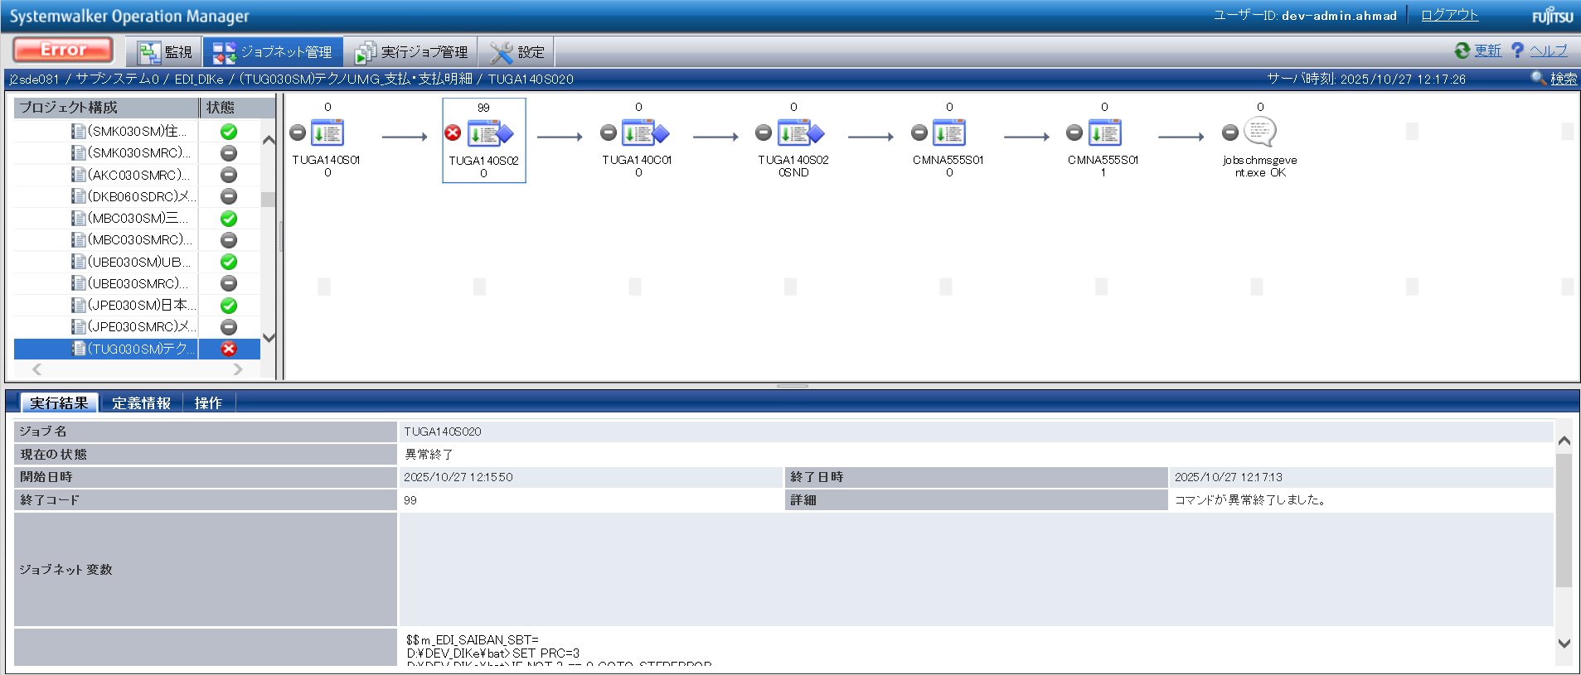

確認観点 ① /Confirmation viewpoint ①
/Systemwalker終了コード"99"で終了を確認。
/Confirmed termination with Systemwalker exit code "99".

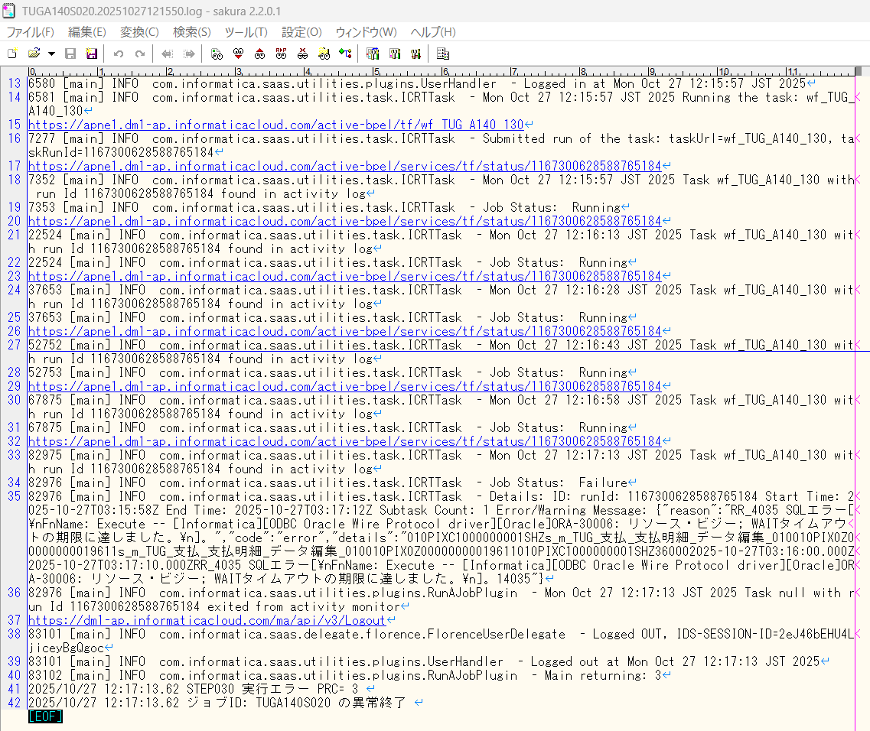

No.22 OK

END

0件_0 Data
No.21

 | 前提条件 /Prerequisite

 | SELECT * FROM J_EDI_SND_DB_PAY a
 | WHERE a.DATA_KOKAN_ID = '000086'
 | AND a.EDI_KINO_CATEGORY_CD = 'A140'
 | AND a.EDI_SND_JOKYO_SBT = '1'
 | ORDER BY SND_SEQ_NO
 | SND_SEQ_NO | DATA_KOKAN_ID | EDI_KINO_CATEGORY_CD | SUP_CD | HAN_KBN | KISAN_D | KINSHU | HONSHITEN_CD | SHIMEKIRI_YMD | MANKI_D | BANK_CD | SHITEN_CD | BANK_NMK | SHITEN_NMK | FURIKOMI_KOZA_SBT | FURIKOMI_KOZA_NO | EDI_KONKAI_PAY_GAKU | PAY_YMD | EDI_SND_JOKYO_SBT | SND_DT | SND_DATA_DEL_KBN | RCV_SEQ_NO | FUNC_UKETSUKE_NO | DEL_KBN | CREATE_DT | CREATE_USR | CREATE_FUNC | NEW_UPDATE_DT | NEW_UPDATE_USR | NEW_UPDATE_FUNC | UPDATE_CNT
 | NULL | NULL | NULL | NULL | NULL | NULL | NULL | NULL | NULL | NULL | NULL | NULL | NULL | NULL | NULL | NULL | NULL | NULL | NULL | NULL | NULL | NULL | NULL | NULL | NULL | NULL | NULL | NULL | NULL | NULL | NULL

 | 実施 /Implementation

 | Systemwalker終了コード"10"で終了
 | Systemwalker exited with exit code "10"
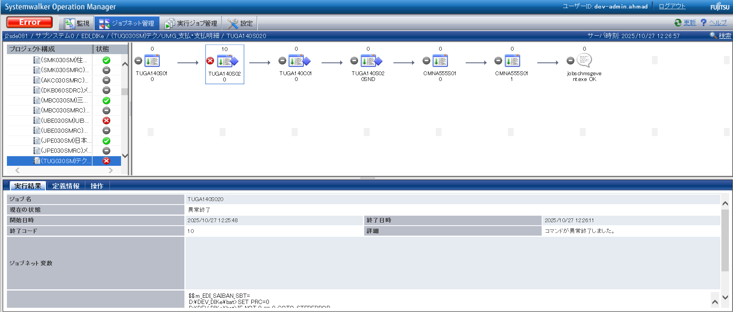

確認観点 ① /Confirmation viewpoint ①
/Systemwalker終了コード"10"で終了を確認。
/Confirmed termination with Systemwalker exit code "10".

 | 送信ファイルが出力されていること。 |  |  | ・TUGA1401

 | TUGA1401

No.21 OK

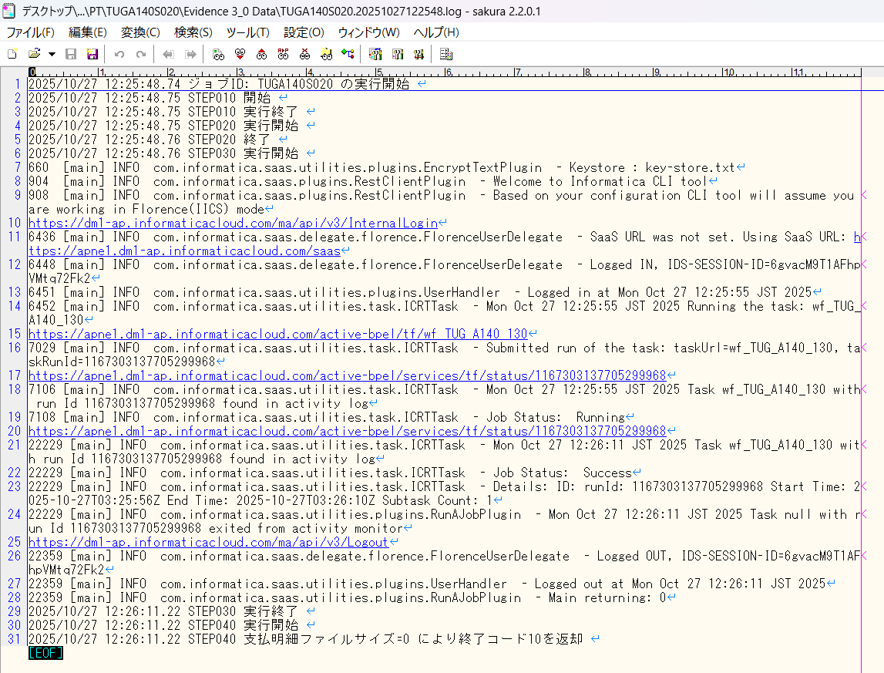

END

パーツ_1
No.01

 | 前提条件 /Prerequisite

 | 特になし。
 | /N/A

 | 実施 /Implementation

No.01 OK

END

確認観点 ① /Confirmation viewpoint ①
○○○○を確認。/Confirm ○○○○
確認観点 /Confirmation viewpoint
以下の情報が出力されている /Below information is output
・開始メッセージ /Start message
・ステップメッセージ /Step message
・終了メッセージ /End message
確認観点 /Confirmation viewpoint
詳細が指定どおりであることを確認しました。
/Confirmed that the details are as specified.

 |  | ①②③④⑤⑥⑦⑧⑨⑩

確認観点 ① /Confirmation viewpoint ①
/Systemwalker終了コード"0"で終了を確認。
/Confirmed termination with Systemwalker exit code "0".
 |  | テスト上重要な項目 /Important item for testing.
 |  | 申請番号 /Application No | 海外発注番号 /Oversea order No | 海外発注識別番号 /Overseas order identification number | 仕向国コード /Destination country code
 | → | #N/A | #N/A | #N/A | #N/A

 |  | Comment : 青セルに取得したい項目（和名）を入力してください。HLOOKUP内の検索範囲を調整してください。※使いづらかったら使わなくてOKです。
 |  | /Comment: Enter the item (Japanese name) to get in the blue cell. Please adjust the search range in HLOOKUP. * Do not use if it is difficult to use.

